APPROVED
S/N | NAME OF PRODUCT | NAFDAC NUMBER | PACK SIZE | MARKETING CATEGORY | NAME OF APPLICANT | ADDRESS OF APPLICANT | EMAIL ADDRESS | PHONE NUMBER | ADVERT MEDIUM | ADVERT MESSAGE | TYPE OF APPLICATION | APPROVAL DATE | VALIDITY | DIVISION | MONTH | YEAR | APPROVAL | LANGUAGE | ADVERT LINK | Channel/Platform/Location | Scheduled/Expected Time | Actual Monitoring Time | Approved Claim Verified (Y/N) | Monitoring Status | Nature of Non-Compliance (if any) | Evidence Ref. (file name / screenshot ID) | Entry By | Date of Entry | Remarks
1 | MEFANTHER 20/120MG AND MEFANTHER FORTE 80/480MG TABLETS (ARTEMETHER/LUMEFANTRINE) | A11-100645, A11-100646 | 1X24, 1X6 | OTC | UNIQUE PHARMACEUTICALS LIMITED | KM 38, ABEOKUTA ROAD, VEEPEE INDUSTRIAL AVENUE, SANGO-OTA, OGUN STATE. | martins@uniquepharm.com;mail@uniquepharm.com | 07089496969;08097421000 | MEDICAL JOURNAL | MEFANTHER - EFFECTIVE SOLUTION FOR MALARIA | New | 30/07/2025 | 1 Year | Drug | July | 2025 | NORMAL | ENGLISH | MEFANTHERnMEFANTHER FORTE-20-120n80-480.pdf |  |  |  |  | Not Started
1 | MEFANTHER 20/120MG AND MEFANTHER FORTE 80/480MG TABLETS (ARTEMETHER/LUMEFANTRINE) | A11-100645, A11-100646 | 1X24, 1X6 | OTC | UNIQUE PHARMACEUTICALS LIMITED | KM 38, ABEOKUTA ROAD, VEEPEE INDUSTRIAL AVENUE, SANGO-OTA, OGUN STATE. | martins@uniquepharm.com;mail@uniquepharm.com | 07089496969;08097421000 | OUT-OF-HOME (OOH) | MEFANTHER - EFFECTIVE SOLUTION FOR MALARIA | New | 30/07/2025 | 1 Year | Drug | July | 2025 | NORMAL | ENGLISH | MEFANTHERnMEFANTHER FORTE-20-120n80-480.pdf |  |  |  |  | Not Started
2 | VIAGRA TABLETS (SILDENAFIL 50MG & 100MG) | 04-7734, 04-1509 | 1X4, 1X1 | POM | VIATRIS PHARMACEUTICALS LIMITED | 2B REVEREND OGUNBIYI WAY, GRA, IKEJA, LAGOS;49, RAYMOND NJOKU STREET, IKOYI, LAGOS | victoria.ezeala@viatris.com;abisola.ayodele@pfizer.com | 08145462544;09037749027 | LEAVE BEHIND | INTIMACY IS AGELESS | New | 30/07/2025 | 1 Year | Drug | July | 2025 | NORMAL | ENGLISH | VIAGRA TABLET 50MGn100MG.pdf |  |  |  |  | Not Started
3 | ZOLOFT 50MG CAPSULES (SERTRALINE HCL) | 04-2796 | 1X155 | POM | VIATRIS PHARMACEUTICALS LIMITED | 2B REVEREND OGUNBIYI WAY, GRA, IKEJA, LAGOS;49, RAYMOND NJOKU STREET, IKOYI, LAGOS | victoria.ezeala@viatris.com;abisola.ayodele@pfizer.com | 08145462544;09037749027 | LEAVE BEHIND | SAFETY DEMONSTRATED IN MAJOR DEPRESSIVE DISORDER (MDD) PATIENTS WITH ACUTE MYOCARDINAL INFARCTION (MI) OR UNSTABLE ANGINA | New | 30/07/2025 | 1 Year | Drug | July | 2025 | NORMAL | ENGLISH | ZOLOFT 50MG CAPSULE.pdf |  |  |  |  | Not Started
4 | LYRICA CAPSULE (PREGABALIN) 25MG, 75MG & 150MG | A4-0004, A4-0005, A4-0006 | 1X28, 1X28, 1X28 | POM | VIATRIS PHARMACEUTICALS LIMITED | 2B REVEREND OGUNBIYI WAY, GRA, IKEJA, LAGOS;49, RAYMOND NJOKU STREET, IKOYI, LAGOS | victoria.ezeala@viatris.com;abisola.ayodele@pfizer.com | 08145462544;09037749027 | LEAVE BEHIND | IMPROVING QUALITY OF LIFE (QOL) OF YOUR DIABETIC PATIENTS WITH PAINFUL DIABETIC PERIPHERAL NEUROPATHY (DPN) | New | 30/07/2025 | 1 Year | Drug | July | 2025 | NORMAL | ENGLISH | LYRICA CAPSULE-PREGABALIN-25MG75MG150MG.pdf |  |  |  |  | Not Started
5 | NORVASC 5MG & 10MG TABLETS (AMLODIPINE BESYLATE) | 04-1386, 04-5354 | 3X10, 3X10 | POM | VIATRIS PHARMACEUTICALS LIMITED | 2B REVEREND OGUNBIYI WAY, GRA, IKEJA, LAGOS;49, RAYMOND NJOKU STREET, IKOYI, LAGOS | victoria.ezeala@viatris.com;abisola.ayodele@pfizer.com | 08145462544;09037749027 | LEAVE BEHIND | RECENT UPDATES ON HYPERTENSION GUIDELINES |  | 30/07/2025 |  | Drug | July | 2025 | NORMAL | ENGLISH |  |  |  |  |  | Not Started
6 | PARIET 20MG TABLETS (RABEPRAZOLE) | 04-5818 | 1X14 | POM | J&J COMPANY WEST AFRICA LIMITED | SINARI DARANIJO STREET, VICTORIA ISLAND, LAGOS. |  |  | LEAVE BEHIND | PARIET - THERE IS MORE TO LIFE THAN GERD | New | 30/07/2025 | 1 Year | Drug | July | 2025 | ADMIN | ENGLISH | PARIET-RABEPRAZOLE-20MG-TABLET.pdf |  |  |  |  | Not Started
7 | COATAL SOFT GELATIN CAPSULES 20/120MG AND COATAL FORTE SOFT GELATIN CAPSULES 80/480MG (ARTEMETHER/LUMEFANTRINE) | A4-100474, B4-7306 | 1X24, 1X6 | OTC | GENEITH PHARMACEUTICALS LIMITED | 12, ADEWALE CRESCENT, OFF EWENLA STREET, OSHODI-APAPA, LAGOS. | geneith@geneithpharm.com;omedac@geneithpharm.com;columbaomeda@gmail.com | 08129008666 | TELEVISION COMMERCIAL (TVC) | COATAL - TOUGH ON MALARIA, SOFT ON YOU | Revalidation | 30/07/2025 | 2 Years | Drug | July | 2025 | NORMAL | ENGLISH | COATAL SOFTGEL-AL-20-120n80-480.pdf |  |  |  |  | Not Started
7 | COATAL SOFT GELATIN CAPSULES 20/120MG AND COATAL FORTE SOFT GELATIN CAPSULES 80/480MG (ARTEMETHER/LUMEFANTRINE) | A4-100474, B4-7306 | 1X24, 1X6 | OTC | GENEITH PHARMACEUTICALS LIMITED | 12, ADEWALE CRESCENT, OFF EWENLA STREET, OSHODI-APAPA, LAGOS. | geneith@geneithpharm.com;omedac@geneithpharm.com;columbaomeda@gmail.com | 08129008666 | RADIO | COATAL - TOUGH ON MALARIA, SOFT ON YOU | Revalidation | 30/07/2025 | 2 Years | Drug | July | 2025 | NORMAL | ENGLISH | COATAL SOFTGEL-AL-20-120n80-480.pdf |  |  |  |  | Not Started
8 | CAMOSUNATE RANGE OF PRODUCTS (ARTESUNATE/AMODIAQUINE) | 04-7908, 04-7848, 04-7907 | 1X6X10, 1X12X10 | OTC | GENEITH PHARMACEUTICALS LIMITED | 12, ADEWALE CRESCENT, OFF EWENLA STREET, OSHODI-APAPA, LAGOS. | geneith@geneithpharm.com;omedac@geneithpharm.com;columbaomeda@gmail.com | 08129008666 | TELEVISION COMMERCIAL (TVC) | CAMOSUNATE - EFFECTIVE ANTIMALARIA FOR ALL AGES | Revalidation | 30/07/2025 | 2 Years | Drug | July | 2025 | NORMAL | ENGLISH, YORUBA, IGBO, HAUSA | CAMOSUNATE-AL-RANGE-of-PRODUCTS.pdf |  |  |  |  | Not Started
8 | CAMOSUNATE RANGE OF PRODUCTS (ARTESUNATE/AMODIAQUINE) | 04-7908, 04-7848, 04-7907 | 1X6X10, 1X12X10 | OTC | GENEITH PHARMACEUTICALS LIMITED | 12, ADEWALE CRESCENT, OFF EWENLA STREET, OSHODI-APAPA, LAGOS. | geneith@geneithpharm.com;omedac@geneithpharm.com;columbaomeda@gmail.com | 08129008666 | RADIO | CAMOSUNATE - EFFECTIVE ANTIMALARIA FOR ALL AGES | Revalidation | 30/07/2025 | 2Years | Drug | July | 2025 | NORMAL | ENGLISH, YORUBA, IGBO, HAUSA | CAMOSUNATE-AL-RANGE-of-PRODUCTS.pdf | Radio, Wazobia Fm |  | 10:29am | Y | Compliant | N/A | N/A | Chiamaka Adibo | 16/07/2026
9 | UNICID TABLET (ANTACID) | B4-2751 | 12X8 | OTC | UNIQUE PHARMACEUTICALS LIMITED | KM 38, ABEOKUTA ROAD, VEEPEE INDUSTRIAL AVENUE, SANGO-OTA, OGUN STATE. | martins@uniquepharm.com;mail@uniquepharm.com | 07089496969;08097421000 | MEDICAL JOURNAL | UNICID - RELIEF FROM HYPERACIDITY | New | 30/07/2025 | 1 Year | Drug | July | 2025 | NORMAL | ENGLISH | UNICID-ANTACID-TABLET.pdf |  |  |  |  | Not Started
9 | UNICID TABLET (ANTACID) | B4-2751 | 12X8 | OTC | UNIQUE PHARMACEUTICALS LIMITED | KM 38, ABEOKUTA ROAD, VEEPEE INDUSTRIAL AVENUE, SANGO-OTA, OGUN STATE. | martins@uniquepharm.com;mail@uniquepharm.com | 07089496969;08097421000 | OUT-OF-HOME (OOH) | UNICID - RELIEF FROM HYPERACIDITY | New | 30/07/2025 | 1 Year | Drug | July | 2025 | NORMAL | ENGLISH | UNICID-ANTACID-TABLET.pdf |  |  |  |  | Not Started
10 | UNIPROF SUSPENSION (IBUPROFEN) | A11-0441 | 100ML | OTC | UNIQUE PHARMACEUTICALS LIMITED | KM 38, ABEOKUTA ROAD, VEEPEE INDUSTRIAL AVENUE, SANGO-OTA, OGUN STATE. | martins@uniquepharm.com;mail@uniquepharm.com | 07089496969;08097421000 | MEDICAL JOURNAL | UNIPROF - EFFECTIVE RELIEF FROM ACHES, PAIN AND DISCOMFORT | New | 30/07/2025 | 1 Year | Drug | July | 2025 | NORMAL | ENGLISH | UNIPROF-IBUPROFEN-100ML-SUSPENSION.pdf |  |  |  |  | Not Started
10 | UNIPROF SUSPENSION (IBUPROFEN) | A11-0441 | 100ML | OTC | UNIQUE PHARMACEUTICALS LIMITED | KM 38, ABEOKUTA ROAD, VEEPEE INDUSTRIAL AVENUE, SANGO-OTA, OGUN STATE. | martins@uniquepharm.com;mail@uniquepharm.com | 07089496969;08097421000 | OUT-OF-HOME (OOH) | UNIPROF - EFFECTIVE RELIEF FROM ACHES, PAIN AND DISCOMFORT | New | 30/07/2025 | 1 Year | Drug | July | 2025 | NORMAL | ENGLISH | UNIPROF-IBUPROFEN-100ML-SUSPENSION.pdf |  |  |  |  | Not Started
11 | AUGMENTIN 625 (AMOXICILLIN 500/CLAVULANIC ACID 125MG) | 04-1928 | 2X7 | POM | FENSYL MHP CONSULTING LIMITED | 49, KOFO ABAYOMI AVENUE, APAPA, LAGOS. | osaretin.jaiyeola@fensyl.com | 08033221004 | E-DETAILING AID | AUGMENTIN PHARMACISTS TOOLKIT (MANUFACTURING) | New | 30/07/2025 | 1 Year | Drug | July | 2025 | ADMIN | ENGLISH | AUGMENTIN_AMOXICILLIN-CLAVULANIC-625MG-TABLET.pdf |  |  |  |  | Not Started
12 | AUGMENTIN (AMOXICILLIN/CLAVULANIC ACID) | 04-1928 | 2X7 | POM | FENSYL MHP CONSULTING LIMITED | 49, KOFO ABAYOMI AVENUE, APAPA, LAGOS. | osaretin.jaiyeola@fensyl.com | 08033221004 | E-DETAILING AID | THE ART OF AUGMENTIN | New | 30/07/2025 | 1 Year | Drug | July | 2025 | ADMIN | ENGLISH | AUGMENTIN_AMOXICILLIN-CLAVULANIC ACID.pdf |  |  |  |  | Not Started
13 | SERETIDE 50MCG/250MCG DISKUS INHALATION POWDER (SALMETEROL/FLUTICASONE PROPIONATE) | 04-3323 | 1X60 | POM | FENSYL MHP CONSULTING LIMITED | 49, KOFO ABAYOMI AVENUE, APAPA, LAGOS. | osaretin.jaiyeola@fensyl.com | 08033221004 | E-DETAILING AID | MASTER 6: SIMULATION STUDY OF THE EFFECT OF CLINICAL CHARACTERISTICS AND TREATMENT CHOICE ON RELIEVER MEDICATION USE, SYMPTOM CONTROL AND EXACERBATION RISK IN MODERATE - SEVERE ASTHMA | New | 30/07/2025 | 1 Year | Drug | July | 2025 | ADMIN | ENGLISH | SERETIDE-50MCG250MCG-SALMETEROL-FLUTICASONE PROPIONATE_FENSYL.pdf |  |  |  |  | Not Started
14 | SERETIDE (SALMETEROL/FLUTICASONE PROPIONATE) AND VENTOLIN (SALBUTAMOL SULPHATE) | 04-3323 | 1X60 | POM | FENSYL MHP CONSULTING LIMITED | 49, KOFO ABAYOMI AVENUE, APAPA, LAGOS. | osaretin.jaiyeola@fensyl.com | 08033221004 | E-DETAILING AID | SERETIDE AND VENTOLIN - LONG - TERM GOAL OF ASTHMA MANAGEMENT | New | 30/07/2025 | 1 Year | Drug | July | 2025 | ADMIN | ENGLISH | SERETIDE_SALMETEROL-FLUTICASONE_SALBUTAMOL SULPHATE.pdf |  |  |  |  | Not Started
15 | ARENAX PLUS TABLETS AND ARENAX PLUS FORTE TABLETS | A4-2180, A4-4854 | 2X6, 3X6, 4X6, 1X6 | OTC | SWISS PHARMA NIGERIA LIMITED | 5, DOPEMU ROAD, IKEJA, LAGOS. | swipha@swiphanigeria.com | 08116691559 | ONLINE | ONLINE CALENDAR - ILLUSTRATION SERIES | New | 30/07/2025 | 1 Year | Drug | July | 2025 | NORMAL | ENGLISH | ARENAX PLUS n ARENAX PLUS FORTE-AL-SWISS PHARMA (2).pdf | ONLINE/FACEBOOK PAGE |  | 19:45:00 |  | Compliant |  |  | CHIAMAKA ADIBO | 2026-07-18
16 | ACHOLSAFE CAPSULE | A7-101873L | 30PCS | OTC | VASTOVERS DRUGS AND ALLIED PRODUCTS LIMITED | BLOCK N, PLOT 279A OWORONSHOKI EXPRESSWAY, GBAGADA PHASE 1, LAGOS | order@vastovers.com | 09088138739;09088138744;08184571390 | TELEVISION COMMERCIAL (TVC) | ADVOCACY FOR HEALTHIER LIVING FOR ALCOHOL CONSUMERS | New | 30/07/2025 | 1 Year | Drug | July | 2025 | NORMAL | ENGLISH | ACHOLSAFE ACHOLCARE CAPSULE-VASTOVERS.pdf |  |  |  |  | Not Started
16 | ACHOLSAFE CAPSULE | A7-101873L | 30PCS | OTC | VASTOVERS DRUGS AND ALLIED PRODUCTS LIMITED | BLOCK N, PLOT 279A OWORONSHOKI EXPRESSWAY, GBAGADA PHASE 1, LAGOS | order@vastovers.com | 09088138739;09088138744;08184571390 | RADIO | ADVOCACY FOR HEALTHIER LIVING FOR ALCOHOL CONSUMERS | New | 30/07/2025 | 1 Year | Drug | July | 2025 | NORMAL | ENGLISH | ACHOLSAFE ACHOLCARE CAPSULE-VASTOVERS.pdf |  |  |  |  | Not Started
16 | ACHOLSAFE CAPSULE | A7-101873L | 30PCS | OTC | VASTOVERS DRUGS AND ALLIED PRODUCTS LIMITED | BLOCK N, PLOT 279A OWORONSHOKI EXPRESSWAY, GBAGADA PHASE 1, LAGOS | order@vastovers.com | 09088138739;09088138744;08184571390 | ONLINE | ADVOCACY FOR HEALTHIER LIVING FOR ALCOHOL CONSUMERS | New | 30/07/2025 | 1 Year | Drug | July | 2025 | NORMAL | ENGLISH | ACHOLSAFE ACHOLCARE CAPSULE-VASTOVERS.pdf |  |  |  |  | Not Started
16 | ACHOLSAFE CAPSULE | A7-101873L | 30PCS | OTC | VASTOVERS DRUGS AND ALLIED PRODUCTS LIMITED | BLOCK N, PLOT 279A OWORONSHOKI EXPRESSWAY, GBAGADA PHASE 1, LAGOS | order@vastovers.com | 09088138739;09088138744;08184571390 | OUT-OF-HOME (OOH) | ADVOCACY FOR HEALTHIER LIVING FOR ALCOHOL CONSUMERS | New | 30/07/2025 | 1 Year | Drug | July | 2025 | NORMAL | ENGLISH | ACHOLSAFE ACHOLCARE CAPSULE-VASTOVERS.pdf |  |  |  |  | Not Started
16 | ACHOLSAFE CAPSULE | A7-101873L | 30PCS | OTC | VASTOVERS DRUGS AND ALLIED PRODUCTS LIMITED | BLOCK N, PLOT 279A OWORONSHOKI EXPRESSWAY, GBAGADA PHASE 1, LAGOS | order@vastovers.com | 09088138739;09088138744;08184571390 | PRINT MEDIA | ADVOCACY FOR HEALTHIER LIVING FOR ALCOHOL CONSUMERS | New | 30/07/2025 | 1 Year | Drug | July | 2025 | NORMAL | ENGLISH | ACHOLSAFE ACHOLCARE CAPSULE-VASTOVERS.pdf |  |  |  |  | Not Started
17 | ACHOLCARE CAPSULE | A7-101972L | 30PCS | OTC | VASTOVERS DRUGS AND ALLIED PRODUCTS LIMITED | BLOCK N, PLOT 279A OWORONSHOKI EXPRESSWAY, GBAGADA PHASE 1, LAGOS | order@vastovers.com | 09088138739;09088138744;08184571390 | TELEVISION COMMERCIAL (TVC) | ADVOCACY FOR HEALTHIER LIVING FOR ALCOHOL CONSUMERS | New | 30/07/2025 | 1 Year | Drug | July | 2025 | NORMAL | ENGLISH | ACHOLSAFE ACHOLCARE CAPSULE-VASTOVERS.pdf |  |  |  |  | Not Started
17 | ACHOLCARE CAPSULE | A7-101972L | 30PCS | OTC | VASTOVERS DRUGS AND ALLIED PRODUCTS LIMITED | BLOCK N, PLOT 279A OWORONSHOKI EXPRESSWAY, GBAGADA PHASE 1, LAGOS | order@vastovers.com | 09088138739;09088138744;08184571390 | RADIO | ADVOCACY FOR HEALTHIER LIVING FOR ALCOHOL CONSUMERS | New | 30/07/2025 | 1 Year | Drug | July | 2025 | NORMAL | ENGLISH | ACHOLSAFE ACHOLCARE CAPSULE-VASTOVERS.pdf |  |  |  |  | Not Started
17 | ACHOLCARE CAPSULE | A7-101972L | 30PCS | OTC | VASTOVERS DRUGS AND ALLIED PRODUCTS LIMITED | BLOCK N, PLOT 279A OWORONSHOKI EXPRESSWAY, GBAGADA PHASE 1, LAGOS | order@vastovers.com | 09088138739;09088138744;08184571390 | ONLINE | ADVOCACY FOR HEALTHIER LIVING FOR ALCOHOL CONSUMERS | New | 30/07/2025 | 1 Year | Drug | July | 2025 | NORMAL | ENGLISH | ACHOLSAFE ACHOLCARE CAPSULE-VASTOVERS.pdf | INSTAGRAM |  | 10:52:00 | YES | Compliant | N/A | Acholcare | ARCHIBONG V.A | 17/08/2026
...
 |  |  |  |  |  |  |  |  |  |  |  |  |  |  |  |  |  |  |  | Channel/Platform/Location | Scheduled/Expected Time | Actual Monitoring Time | Approved Claim Verified (Y/N) | Monitoring Status | Nature of Non-Compliance (if any) | Evidence Ref. (file name / screenshot ID) | Entry By | Date of Entry | Remarks
 |  |  |  |  |  |  |  |  |  |  |  |  |  |  |  |  |  |  |  |  |  |  |  | Not Started
 |  |  |  |  |  |  |  |  |  |  |  |  |  |  |  |  |  |  |  | INSTAGRAM |  |  |  | Compliant |  |  | ARCHIBONG V.A | 2026-07-16
 |  |  |  |  |  |  |  |  |  |  |  |  |  |  |  |  |  |  |  | INSTAGRAM |  |  |  | Compliant |  | 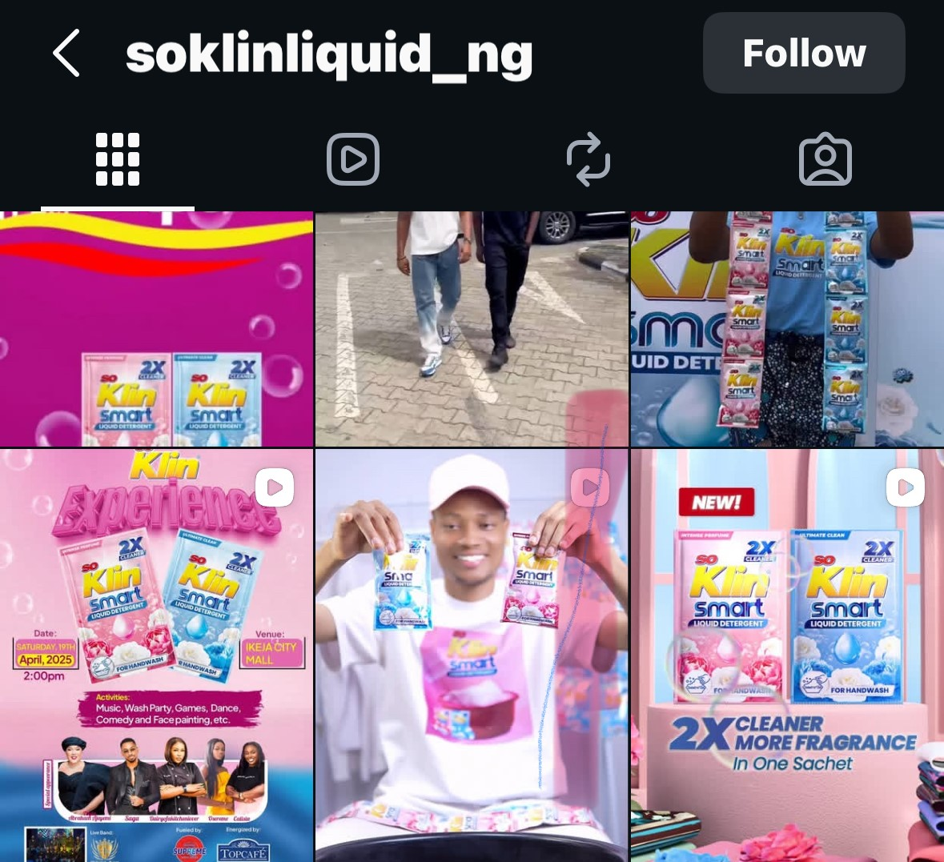 | ARCHIBONG V.A | 2026-07-16
 |  |  |  |  |  |  |  |  |  |  |  |  |  |  |  |  |  |  |  |  |  |  |  | Not Started
 |  |  |  |  |  |  |  |  |  |  |  |  |  |  |  |  |  |  |  |  |  |  |  | Not Started
 |  |  |  |  |  |  |  |  |  |  |  |  |  |  |  |  |  |  |  |  |  |  |  | Not Started
 |  |  |  |  |  |  |  |  |  |  |  |  |  |  |  |  |  |  |  | O'JEZ PHARMACY, EGBEDA. |  | 15:23PM | YES | Compliant |  | KOMIX | ARCHIBONG V.A | 13/08/2026
 |  |  |  |  |  |  |  |  |  |  |  |  |  |  |  |  |  |  |  |  |  |  |  | Not Started
 |  |  |  |  |  |  |  |  |  |  |  |  |  |  |  |  |  |  |  |  |  |  |  | Not Started
 |  |  |  |  |  |  |  |  |  |  |  |  |  |  |  |  |  |  |  |  |  |  |  | Not Started
 |  |  |  |  |  |  |  |  |  |  |  |  |  |  |  |  |  |  |  | FACEBOOK |  | 12:42PM | YES | Compliant |  | ZERAMAL | ARCHIBONG V.A | 2026-07-17
 |  |  |  |  |  |  |  |  |  |  |  |  |  |  |  |  |  |  |  |  |  |  |  | Not Started
 |  |  |  |  |  |  |  |  |  |  |  |  |  |  |  |  |  |  |  |  |  |  |  | Not Started
...

